Sheet1
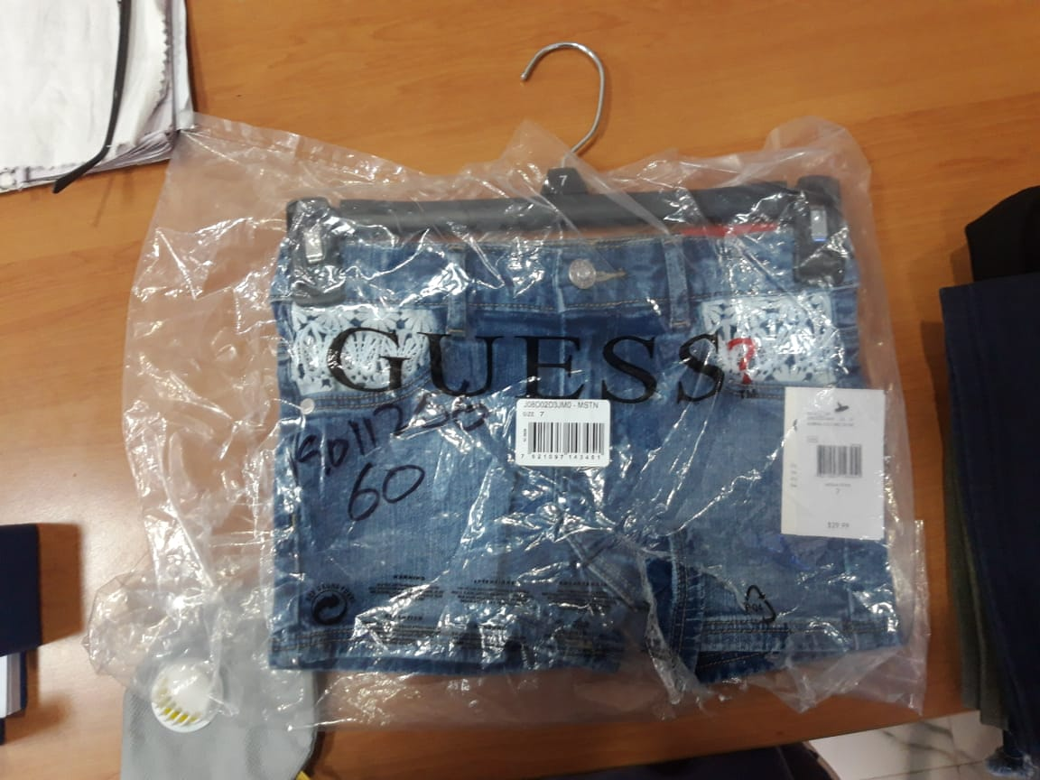
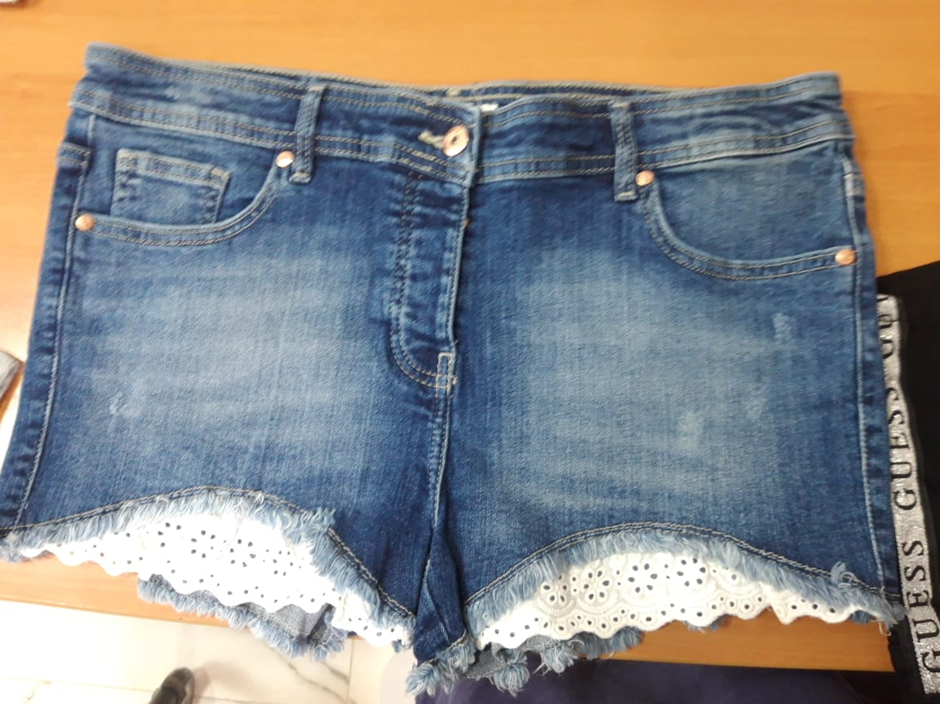
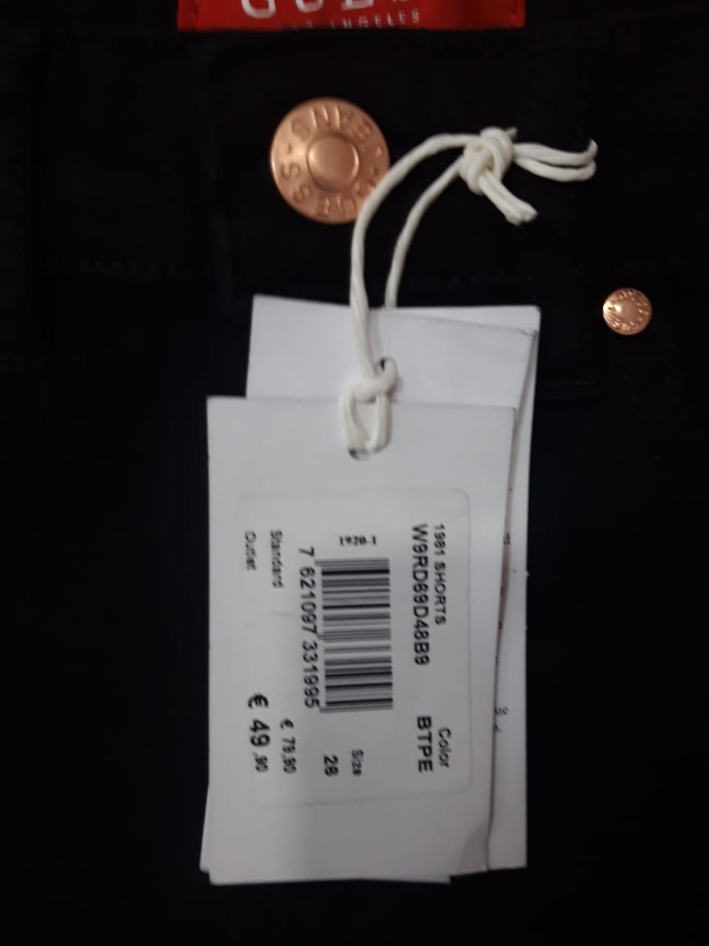
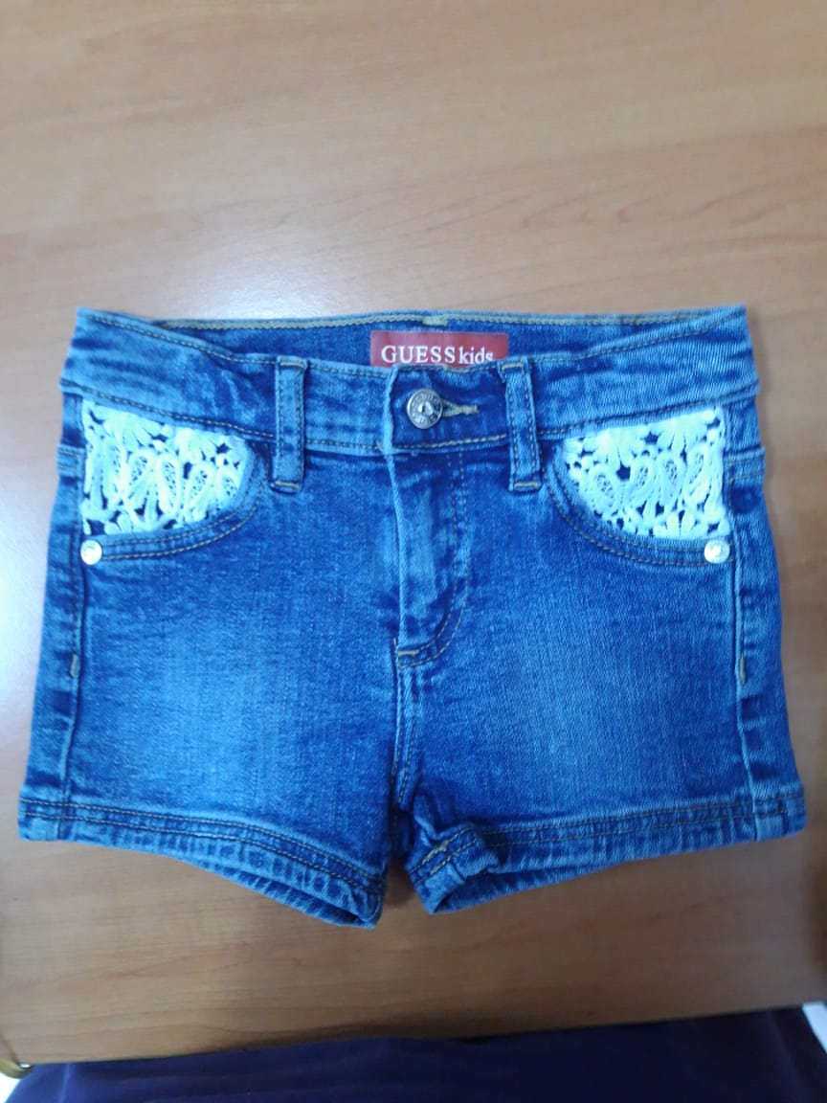
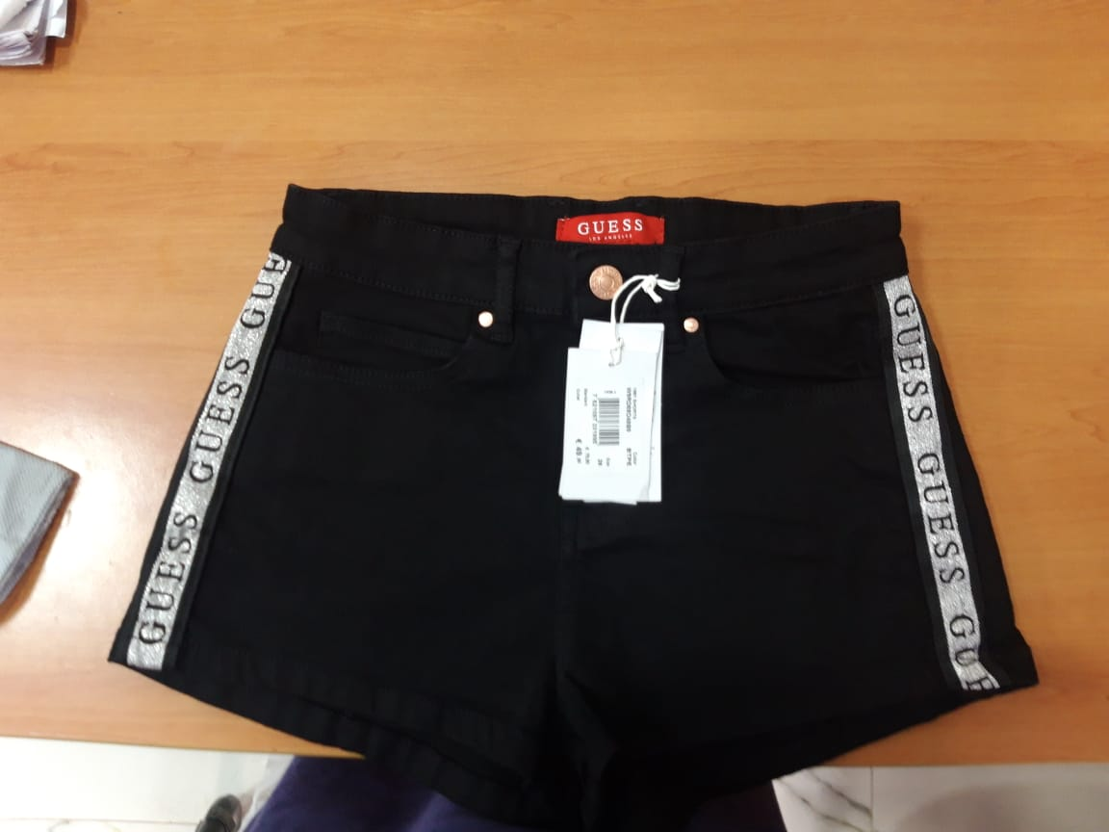
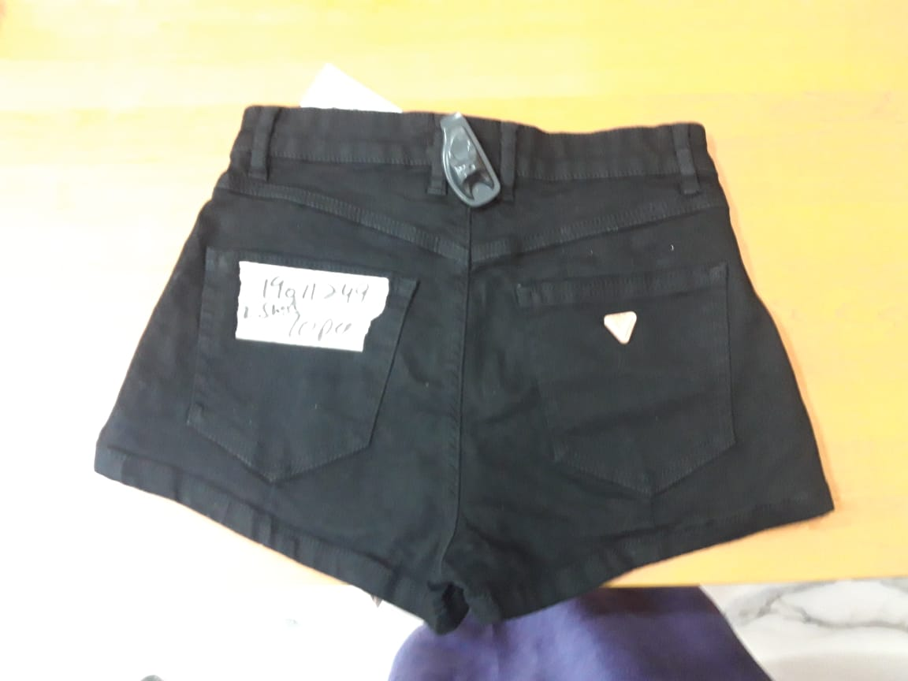
Cartons
259 CARTON | 7 | 8 | 10 | 12 | 14 |  |  |  |  | 1
GUESS WHITE LACED STYLE GIRLS | 6 | 11 | 13 | 12 | 2 |  |  |  | 44

Cartons
254 and 255 | 24 | 25 | 26 | 27 | 28 | 29 | 30
GUESS BLUE TAPING SKIRT LADIES | 9 | 9 | 12 | 10 | 7 | 15 | 3 |  | 65 | 2

Cartons
256 | 24 | 25 | 26 | 27 | 28 | 29 |  |  |  | 1
GUESS WHITE TAPING SHORT GIRLS | 6 | 7 | 12 | 6 | 6 | 4 |  |  | 41

Cartons
257 AND 258 | 24 | 25 | 26 | 27 | 28 | 29 | 30 |  |  | 2
GUESS BLACK TAPING SHORT LADIES | 10 | 16 | 24 | 7 | 7 | 2 | 4 |  | 70

Cartons | 7 | 8 | 9 | 10 | 11 | 12 | 13 | 14
281 AND 282 | 11 | 3 |  | 17 |  | 7 |  | 4
GUESS KIDS LACED BLUE FASHION SHORT | MIXED SIZES | 39 |  |  |  |  |  |  | 81 | 2
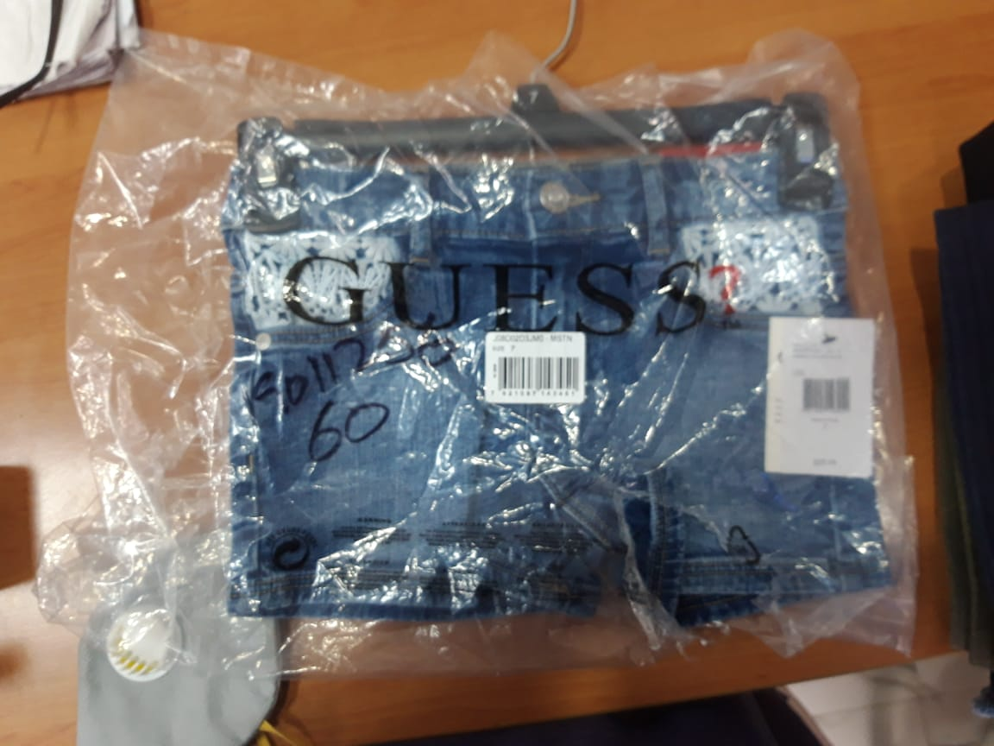
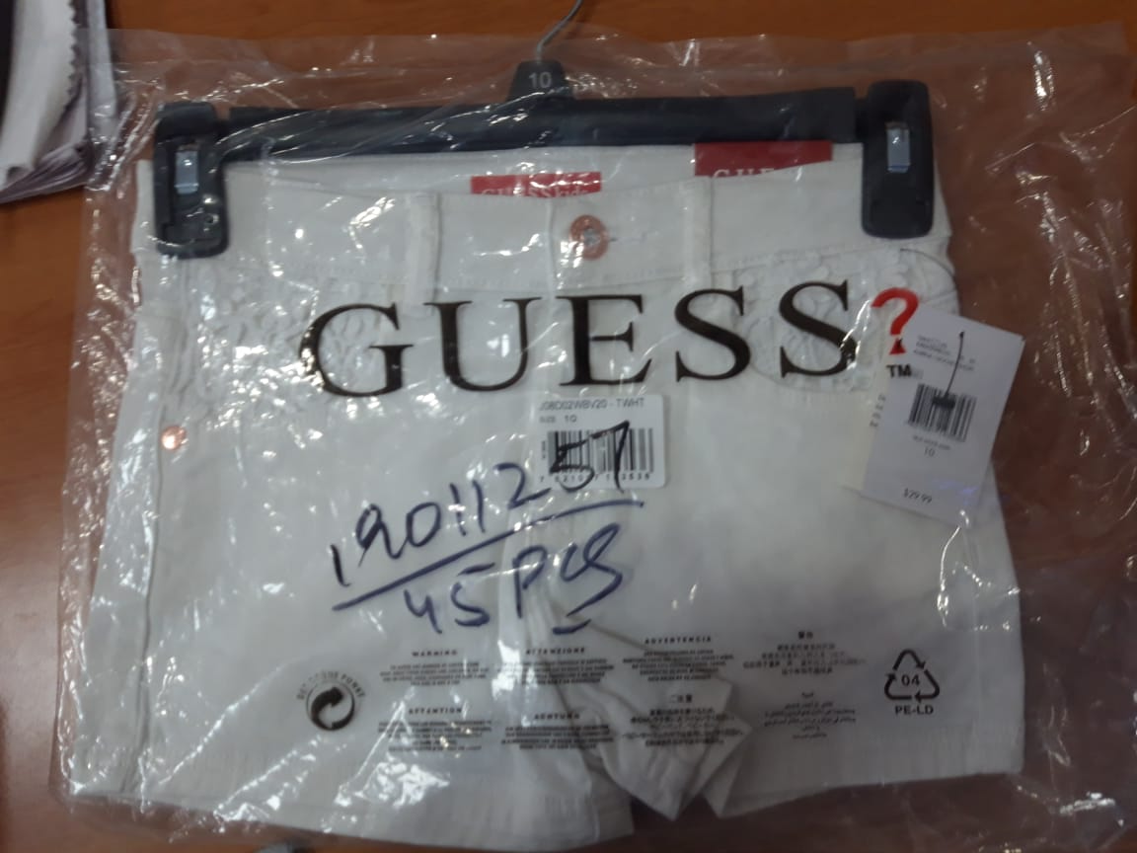
Cartons | 24 | 25 | 26 | 27 | 28 | 29 | 30 | 31
285,286,287 AND (288/289) | 11 | 7 | 17 | 23 | 24 | 5 | 15 | 3
GUESS LADIES TAPING DENIM JEAN |  |  |  |  |  |  |  |  | 105
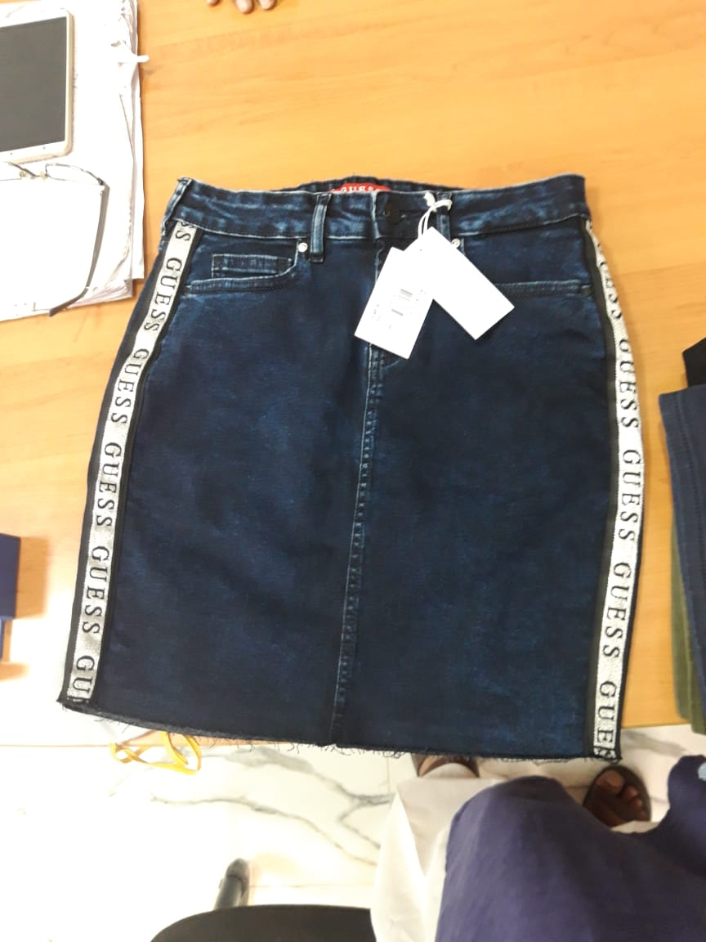
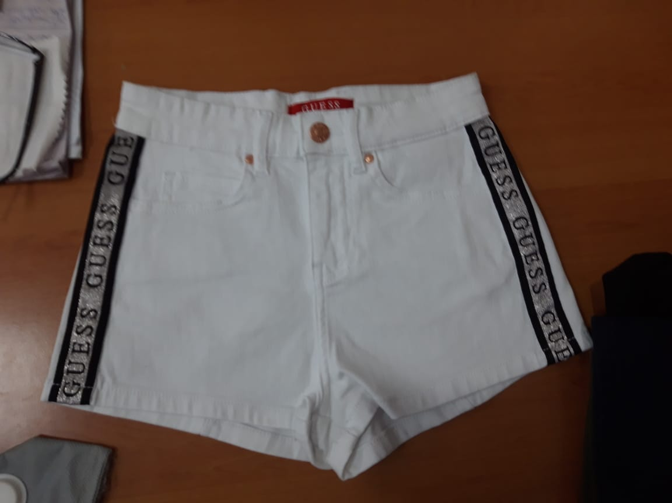
 |  |  |  |  |  |  |  |  | 450 | 8

